Лист1
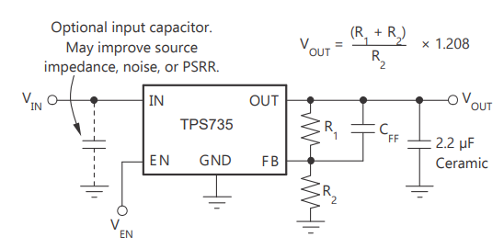
 |  | Calculated:
VIN (V) | 3.30
VOUT (V) | 1.80
IMAX(A) | 0.50

R1 (Ω) | 100,000 | R2 (Ω) | 204,054
 |  | Cff (pF) | 22...30

Vref(V) | 1.208

